Sheet1
STYLE | MODEL NO. | ORDER QUANTITY
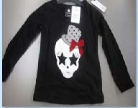 | C‐383734 | 600
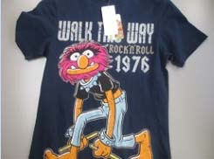 | FB416103 | 580
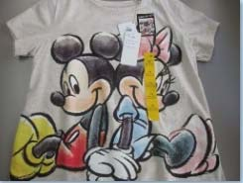 | B982129 | 270
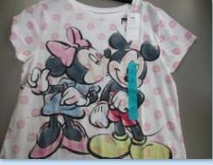 | B982129 | 309
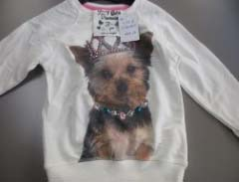 | B988189‐A | 700
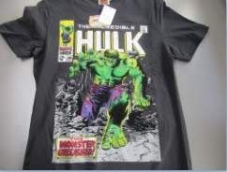 | FB416107 | 40
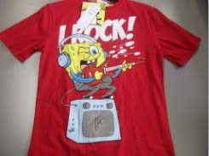 | B943063 | 45
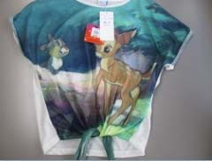 | B936175‐A | 138
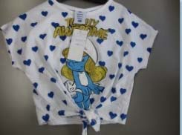 | B942267‐B | 103
 | D557697 | 50
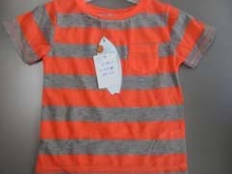 | B925356 | 186
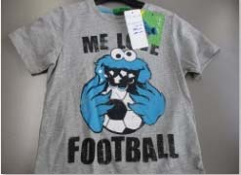 | B919358‐A | 206
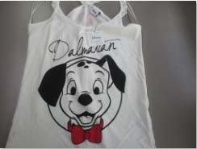 | D537186‐A | 243
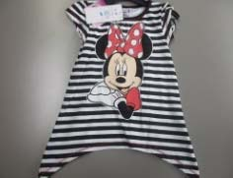 | B871130‐B C‐381558 | 180
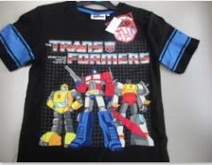 | B898600‐A | 12
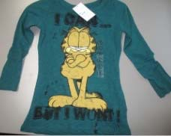 | FB‐411934 | 365
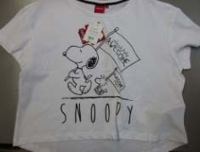 | 5577093 | 117
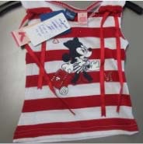 | 310427 | 14
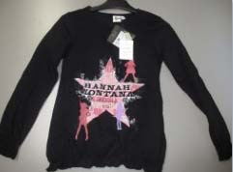 | C‐181628 | 776
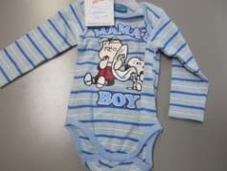 | C‐2700202 | 375
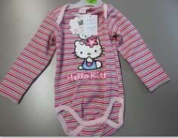 | C‐210279 | 490
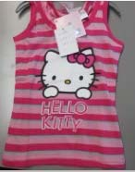 | 928355 | 167
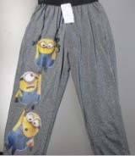 | FB‐423598 | 500
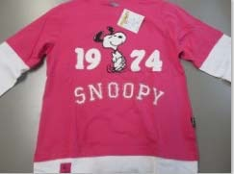 | W‐5100098 | 500
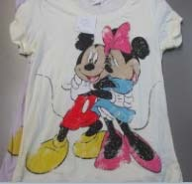 | FB‐411707 | 30
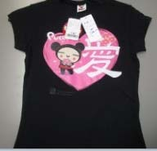 | FB‐410253 | 352
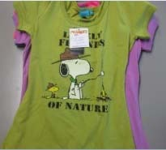 | FB‐411690 | 219
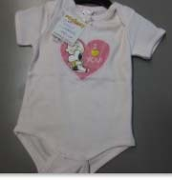 | C‐2700255 | 400
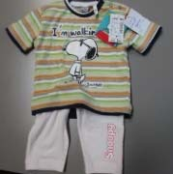 | C‐382070 | 612
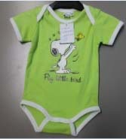 | C‐2700262 | 500
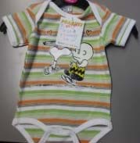 | C‐2700257 | 400
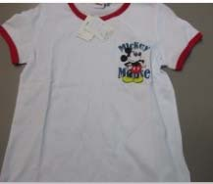 | FB‐428064 | 500
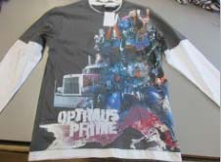 | FB‐420389 | 480
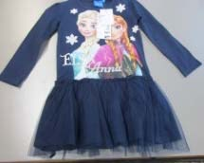 | R‐16‐21‐O | 1000
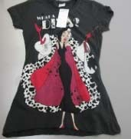 | FB‐413361 | 140
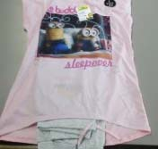 | W2102942 | 570
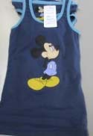 | 2301458 | 126
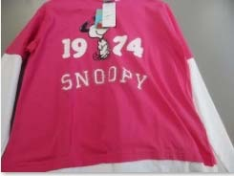 | W‐5100098 | 500
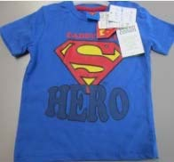 | 22013‐441‐10‐393 | 300
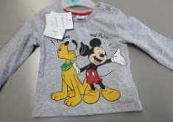 | B‐980347‐A | 400
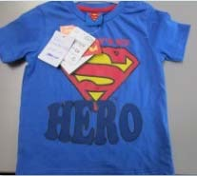 | 22013‐441‐10‐338 | 300
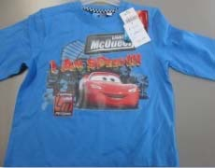 | C‐181621 | 48
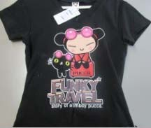 | FB‐410045 | 650
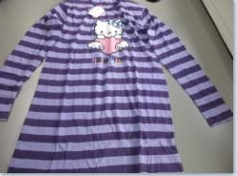 | W‐201569 | 78
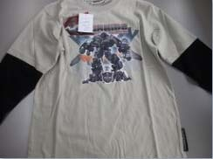 | C‐181149 | 220
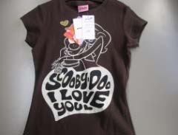 | FB‐410306 | 262
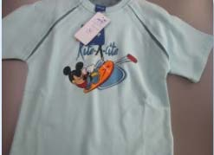 | 380007‐K | 263
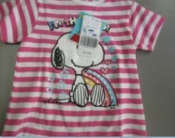 | 211879 | 598
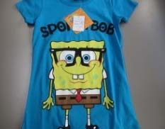 | 398528 | 55
 | FB‐414183 | 63
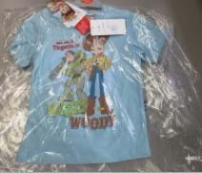 | C‐382043 | 287
GREEN HULK | 381523 | 240
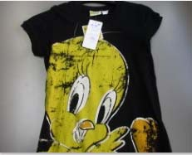 | C‐381186 | 284
 | C‐380947 | 509
 | FB‐413696 | 500
JUMPER GREY SPONGEBOB | R‐70+71‐U | 500
 | R‐70+71‐U | 400
 | C‐2700290 | 500
LONG SLEVE BLACK SNOOPIE | C‐181175 | 472
T-SHIRT WHITE SNOOPIE set | W‐5100487 | 298
 | FB‐413441 | 467
 | C‐484746 | 54
 | C‐2700212 | 396
BLUE T-SHIRT NEMO FISH | 379821 | 400
 | 2200570 | 49
 | C383903 | 600
 | C383904 | 600
 | C182280 | 600
 | C383930 | 600
 | FB412047 | 500
 | W‐5100488 | 76
 | B943063B | 45
 | C-680000 | 300
 | C680000 R48X51 | 300
 | Total: | 25009

